Metro


Transit Media : Metro Internal and External Branding Proposal
Sr.No. | City | Line | Route | Media Package | Train Units | Display Cost - 1 Month | Printing & Mounting | Total Cost | GST 18% | Final cost with GST
1 | Kochi | Green Line | Tripunithura to Aluva | Exterior Branding - 3 Coaches | 1 | ₹ 540,000 | ₹ 500,000 | ₹ 1,040,000 | ₹ 187,200 | ₹ 1,227,200
2 |  |  |  | Interior Branding - 3 Coaches | 1 | ₹ 300,000 | ₹ 125,000 | ₹ 425,000 | ₹ 76,500 | ₹ 501,500
3 |  |  |  | Interior & exterior Train wrap - 3 Coaches | 1 | ₹ 720,000 | ₹ 625,000 | ₹ 1,345,000 | ₹ 242,100 | ₹ 1,587,100

Case Study - Metro
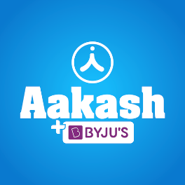 
Case Study
Brand | 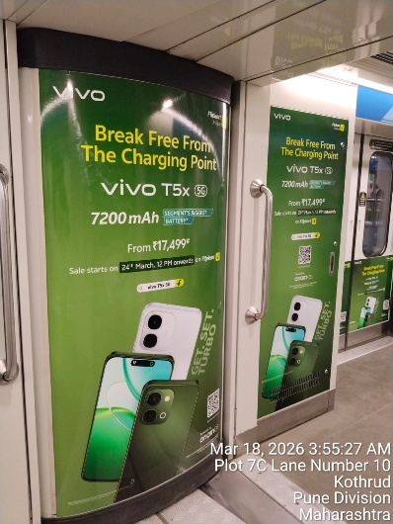 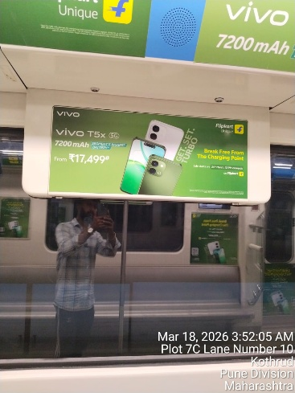
Flipkart x Vivo

Objective
Product Launch & Promotion - Pune

Solution
Capture of Maximum Market and Visibility

Result
Capture of Maximum Market and Visibility

Our Clientle

Case Study - Bus
Case Study
Brand | 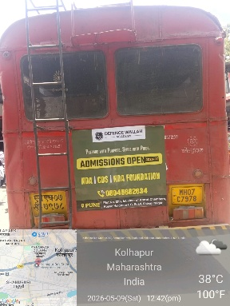 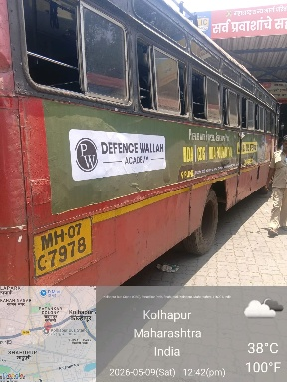 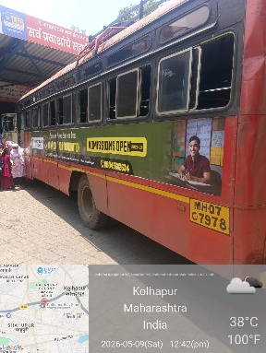
Physics Wallah

Objective
Visibility over Large Geography for Brand Awareness

Solution
Brand Recognition

Result
Opportunity to Lead Generation along with Visibility

Our Clientle

Case Study - Cab
Case Study
Brand | 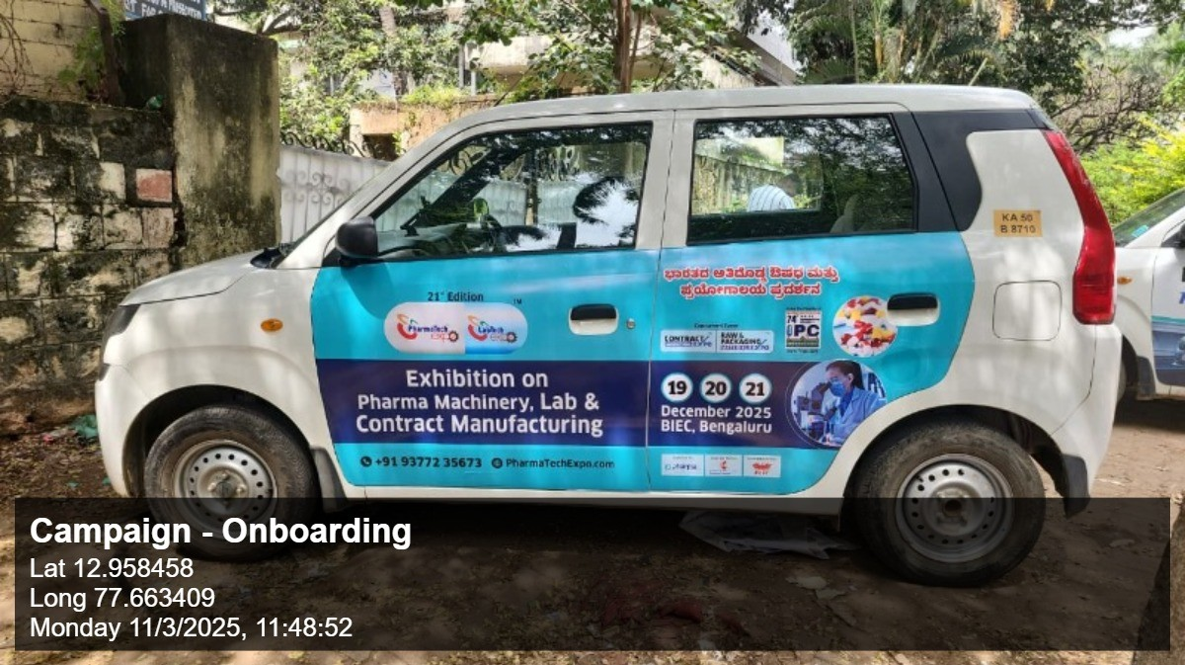 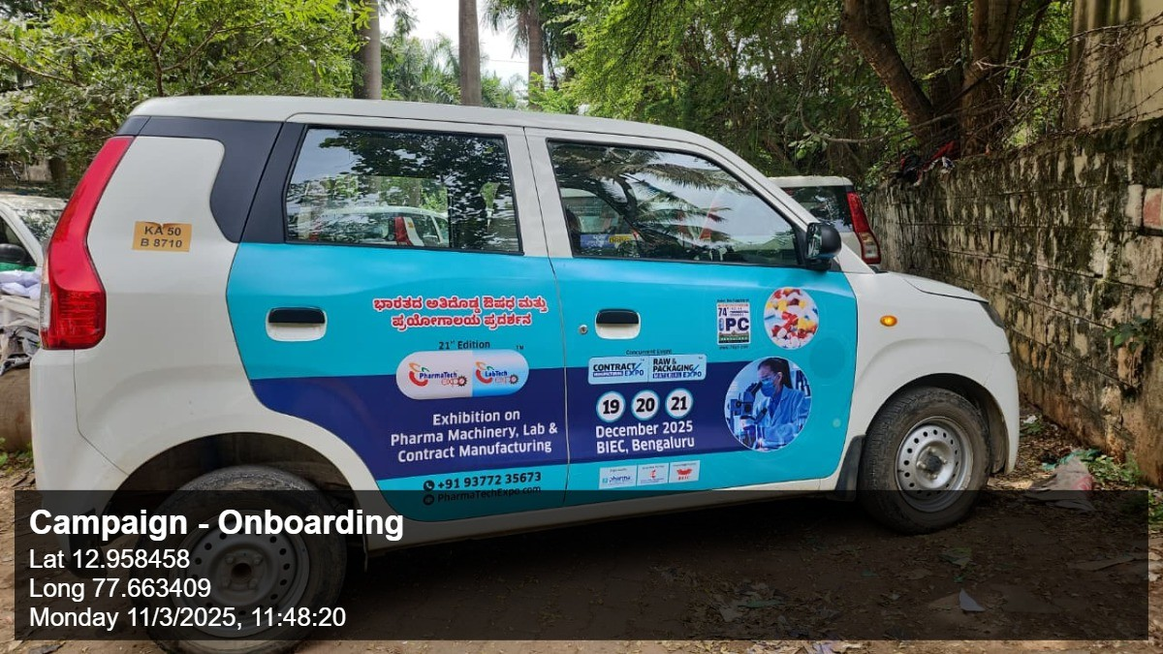
PharmaTech

Objective
Brand Awareness and Visibility with Premium Transit

Solution
Brand Recall

Result
Opportunity of Lead Generation

Our Clientle

Atlas
 
Introducing Atlas by Excellent Publicity

The next evolution of adtech infrastructure and a unified command center that brings digital-level precision to every channel, both online and offline. Through a single, integrated dashboard, brands can plan, execute, and evaluate campaigns across all services, locations, and companies in one place, while gaining full transparency, real-time tracking, and performance visibility even for traditionally offline media.

